Form
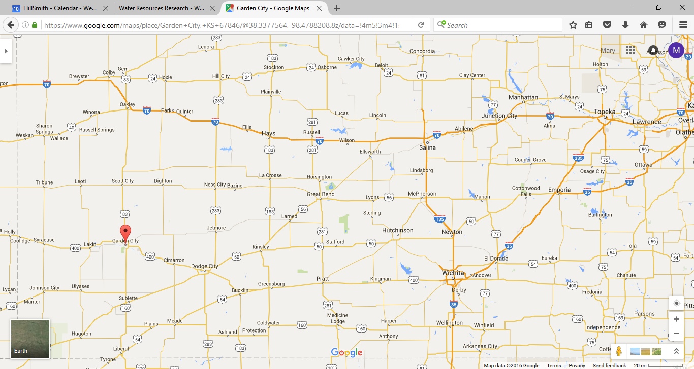
s
FAQs
 | Ag (Reduced Irr.) | Ag (Norm Irr.) | Energy | Total | Loan Duration
2017 | 206,994 | 206,994 | 0 | 206,994 | 0
2018 | 206,994 | 206,994 | 0 | 206,994 | 0
2019 | 206,994 | 206,994 | 30,516 | 237,510 | 0
2020 | 206,994 | 206,994 | 30,516 | 237,510 | 0
2021 | 206,994 | 206,994 | 30,516 | 237,510 | 0
2022 | 179,172 | 206,994 | 30,516 | 209,689 | 0
2023 | 179,172 | 206,994 | 30,516 | 209,689 | 0
2024 | 179,172 | 206,994 | 30,516 | 209,689 | 0
2025 | 179,172 | 206,994 | 30,516 | 209,689 | 0
2026 | 179,172 | 206,994 | 30,516 | 209,689 | 0
2027 | 179,172 | 206,994 | 30,516 | 209,689 | 0
2028 | 179,172 | 206,994 | 30,516 | 209,689 | 0
2029 | 179,172 | 206,994 | 30,516 | 209,689 | 0
2030 | 179,172 | 206,994 | 30,516 | 209,689 | 0
2031 | 179,172 | 206,994 | 30,516 | 209,689 | 0
2032 | 179,172 | 206,994 | 30,516 | 209,689 | 0
2033 | 179,172 | 206,994 | 30,516 | 209,689 | 0
2034 | 179,172 | 206,994 | 30,516 | 209,689 | 0
2035 | 179,172 | 206,994 | 30,516 | 209,689 | 0
2036 | 179,172 | 206,994 | 30,516 | 209,689 | 0
2037 | 179,172 | 206,994 | 30,516 | 209,689
2038 | 179,172 | 206,994 | 30,516 | 209,689
2039 | 179,172 | 206,994 | 283,068 | 462,240
2040 | 179,172 | 206,994 | 283,068 | 462,240
2041 | 179,172 | 206,994 | 283,068 | 462,240
2042 | 179,172 | 206,994 | 283,068 | 462,240
2043 | 179,172 | 206,994 | 283,068 | 462,240
2044 | 179,172 | 206,994 | 283,068 | 462,240
2045 | 179,172 | 206,994 | 283,068 | 462,240
2046 | 179,172 | 206,994 | 283,068 | 462,240
 | Ag (Reduced Irr.) | Ag (Norm Irr.) | Energy | Total | Loan
2019 | 206,994 | 206,994 | 30,516 | 237,510 | 0
2020 | 206,994 | 206,994 | 30,516 | 237,510 | 0
2021 | 206,994 | 206,994 | 30,516 | 237,510 | 0
2022 | 179,172 | 206,994 | 30,516 | 209,689 | 0
2023 | 179,172 | 206,994 | 30,516 | 209,689 | 0
2024 | 179,172 | 206,994 | 30,516 | 209,689 | 0
2025 | 179,172 | 206,994 | 30,516 | 209,689 | 0
2026 | 179,172 | 206,994 | 30,516 | 209,689 | 0
2027 | 179,172 | 206,994 | 30,516 | 209,689 | 0
2028 | 179,172 | 206,994 | 30,516 | 209,689 | 0
2029 | 179,172 | 206,994 | 30,516 | 209,689 | 0
2030 | 179,172 | 206,994 | 30,516 | 209,689 | 0
2031 | 179,172 | 206,994 | 30,516 | 209,689 | 0
2032 | 179,172 | 206,994 | 30,516 | 209,689 | 0
2033 | 179,172 | 206,994 | 30,516 | 209,689 | 0
2034 | 179,172 | 206,994 | 30,516 | 209,689 | 0
2035 | 179,172 | 206,994 | 30,516 | 209,689 | 0
2036 | 179,172 | 206,994 | 30,516 | 209,689 | 0
2037 | 179,172 | 206,994 | 30,516 | 209,689 | 0
2038 | 179,172 | 206,994 | 30,516 | 209,689 | 0
1. Select your location and area
Is local pumping enough to deplete the groundwater?

What federal and state incentives are there for the wind power development?

750 acres

Plot Annual Average
Add Variability Add Uncertainty

 | 2. Define Framework |  |  |  | 3. Make Choices and Get Data from Web |  |  |  | 4. Consequences | for years 2017 - 2046 |  | for 20 year loan (2019-2038)
 | Choose your activity |  |  |  | Choose your options |  |  |  | Annual Average Crop Production
Agriculture | Field Crops |  |  | Ranching | ARC/PLC menu |  |  |  | Normal irrigation (total bushels) | 155,514 |  | 155,514
 | Use county defaults for crops, water, fertilize, prices, etc. | OR |  | Choose via Crop Water Allocator (run by the user) from KSU | Crop insurance menu |  |  |  | (bu/acre) | 207 |  | 207
 |  |  |  |  | Irrigation Acres under irrigation: |  |  | 750 | Reduced irrigation (total bushels) | 141,435 |  | 141,153
 |  |  |  |  | Irrigation rate (acre inches) |  |  | 15 | (bu/acre) | 189 |  | 188
 |  |  |  |  | Reduction (acre inches) |  |  | 3 | Difference (normal - reduced yields) (total bushels) | 14,079 |  | 14,361
 |  |  |  |  | Reduction (percentage) |  |  | 20% | (bu/acre) | 19 |  | 19
 |  |  |  |  | Drought Potential (default 0%) |  |  | 0% | Annual Average Crop Profit
 |  |  |  |  | Drought severity (default Medium) |  |  | Medium | Normal irrigation (total acres) | $206,994 |  | $206,994
 |  |  |  |  | Mild = 3 inches |  |  |  | (per acre) | $276 |  | $276
 |  |  |  |  | Medium = 5 inches |  |  |  | Reduced irrigation (total acres) | $183,809 |  | $183,346
 |  |  |  |  | Severe = 9 inches |  |  |  | (per acre) | $245 |  | $244
 |  |  |  |  | Drought years are redetermined each time the sheet refreshes. |  |  |  | Difference (normal - reduced irrigation, total) | -$23,185 |  | -$23,648
 |  |  |  |  | Chart Time Options |  |  |  | (normal - reduced irrigation, per acre) | -$773 |  | -$1,182
 | Net Revenue Function | Corn Production Function
 | $0.00 | 51.9
 | $28.40 | 67.3
 | $55.46 | 82.0
 | $81.19 | 96.0
 | $105.58 | 109.4
 | $128.63 | 122.1
 | $150.35 | 134.2
 | $170.73 | 145.6
 | $189.78 | 156.4
 | $207.49 | 166.5
 | $223.86 | 176.0
 | $238.90 | 184.8
 | $252.60 | 193.0
 | $264.96 | 200.5
 | $275.99 | 207.4
 | $285.69 | 213.6
 | $294.04 | 219.1
 | $301.06 | 224.0
 | $306.75 | 228.2
 | $311.10 | 231.8
 | $314.11 | 234.8
 | $315.78 | 237.1
 | $316.12 | 238.7
 | $315.13 | 239.7
 | Select Crop |  | Corn |  | Minimum range is 2017, Maximum range is 2056 |  |  |  |  |  | ***why not 276-245?
 |  |  | Cotton |  | Default date range is 2017-2046
 |  |  | Milo |  | Phase in period for irrigation change (years): |  |  | 5
 |  |  | Wheat
 |  |  |  |  | Beginning Year | End Year
 |  |  |  |  | 2017 | 2046

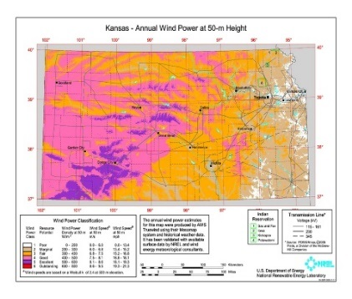
Wind and Solar Energy | Solar Panels |  |  | Turbines | Number of 2MW turbines to install |  |  | 2 | Total energy sales (for date range) | $16,997,904 |  | $12,141,360
 | Buy | Lease |  | Land Lease | Cost per turbine |  |  | $3,000,000 | Total O&M costs (for date range) | $5,072,000 |  | $2,480,000
 |  |  |  |  | Operation and Maintenance per year per MW |  |  | $31,000 | Total Amount Borrowed | $6,800,000 |  | $6,800,000
 | Wind speed |  |  |  | Increase to O&M Cost after 20 years |  |  | $100,000 | Total loan cost (20 year loan) | $9,051,033 |  | $9,051,033
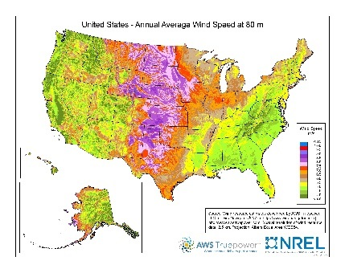
 | maps |  |  |  | Is a grid connection needed? |  |  | Yes | Loan and O&M costs subtotal (for date range) | $14,123,033 |  | $11,531,033
 |  |  |  |  | Grid connection cost, per turbine |  |  | $400,000 | Energy net profit (for date range) | 2,874,871 |  | $610,327 | ****link for national wind map not working
 |  |  |  |  | Grid absorption capability |  |  | 100%
 |  |  |  |  | Wind production rate |  |  | 45% | Net income (energy + crops) | $8,389,153 |  | $4,277,241
 |  |  |  |  | Energy Sales Price per KWH |  |  | $0.0385 | Net income (crops normal irrigation only) | $6,209,822 |  | $4,139,882
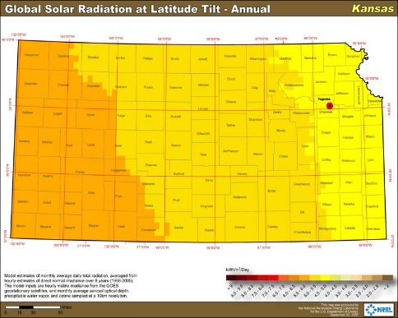
 |  |  |  |  | Length of loan term, in years |  |  | 20
 | Solar map |  |  |  | Interest rate |  |  | 3.0%

Water | Select irrigation water source |  |  |  | Values entered in agriculture section above. |  |  |  | Water saved per year (acre inches) | 3 |  | 3
 | Groundwater |  |  | Surface Water |  |  |  |  | Inches of water saved over time period | 75 |  | 55
 |  |  |  |  | 5 year average irrigation (in acre inches) |  |  | 15 | Aquifer effective porosity | 0.34 |  | 0.34
 |  |  |  |  | Irrigation reduction desired (in acre inches) |  |  | 3 | Drawdown avoided if reduction applied regionally (in feet) | 18.38 |  | 13.48
 | HPA map from KGS |  |  |  | Average precipitation over 5 years (in acre inches) |  |  | 14
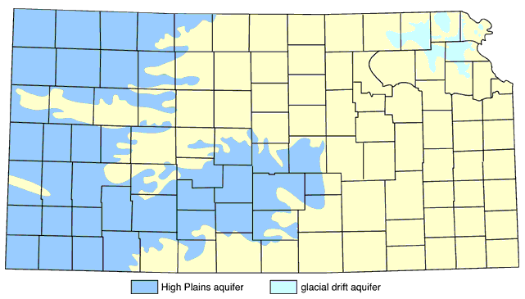
 |  |  |  |  | At present pumping rates, dryland farming dominates in: |  |  |  | Feet of drawdown without reduction | Results obtained from gw model |  | Results obtained from gw model
 |  |  |  |  |  |  |  |  | with reduction | Results obtained from gw model |  | Results obtained from gw model
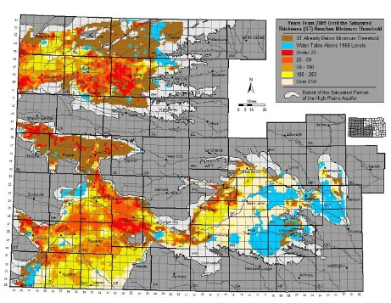
 |  |  |  |  |  |  |  | 2054 | More about the consequences for groundwater levels and aquifer viability will be included here in the web version.

 |  |  |  |  | Years added per area-wide pumping reduction:
 |  |  |  |  |  |  |  | 20%
 | Estimated usable life |  |  |  |  |  |  | 5-10
 | Stories from your region
Climate | Climate assumptions If temperature increases, precipitation must increase for the same drought probabilities to occur. |  |  |  | Average temperature change in °F |  |  | 2 | Consequences for crop production graphs will be included here in the web version.
 |  |  |  |  | Average precipitation rate |  |  | 14
 |  |  |  |  | Average precipitation rate change to 2056 |  |  | 0
 |  |  |  |  | Changes applicable for the end year defined in Agriculture column 3.

Key
 | Content Area |  |  |  |  |  | Cell References
Agriculture
Electricity
Water
Climate
User Input Cell
Calculated Cell
Data from Web (Can be changed by uiser)

